7.11
7.11 Determine the rate of return for the following cash flow series in the problem Enter the IRR without the percent sign, xx.x

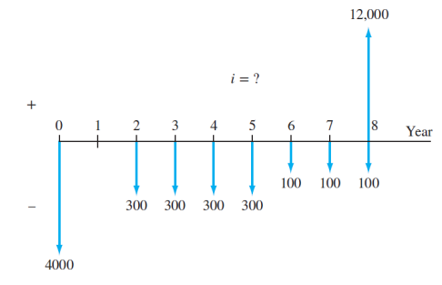

Initial Investment | -4000
Year 1 | 0
2 | -300
3 | -300
4 | -300
5 | -300
6 | -100
7 | -100
8 | 11900
IRR | 11.7

8.37
Problem 8.37 The four alternatives described below are being evaluated by the rate of return method. (a) If the proposals are independent, which should be selected at a MARR of 16% per year? (b) If the proposals are mutually exclusive, which one should be selected at a MARR of 9% per year? (c) If the proposals are mutually exclusive, which one should be selected when the MARR is 12% per year?

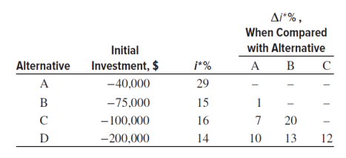

 | A | B | C | D
Initial Investment | ($40,000) | ($75,000) | ($100,000) | ($200,000)
i | 29% | 15% | 16% | 14%
Compared to:
A |  | 1% | 7% | 10%
B |  |  | 20% | 13%
C |  |  |  | 12%
IRR | $31,007.75 | $65,217.39 | $86,206.90 | $175,438.60
IRR Compared to:
A |  | $64,655.17 | $81,300.81 | $161,290.32
B |  |  | $73,529.41 | $157,480.31
C |  |  |  | $158,730.16
Percent diff | 22.5% | 13.0% | 13.8% | 12.3%
Percent Compared to:
A |  | 13.8% | 18.7% | 19.4%
B |  |  | 26.5% | 21.3%
C |  |  |  | 20.6%

a) | this one
b) |  |  | this one
c) |  |  | this one still?

